Kiga Timero
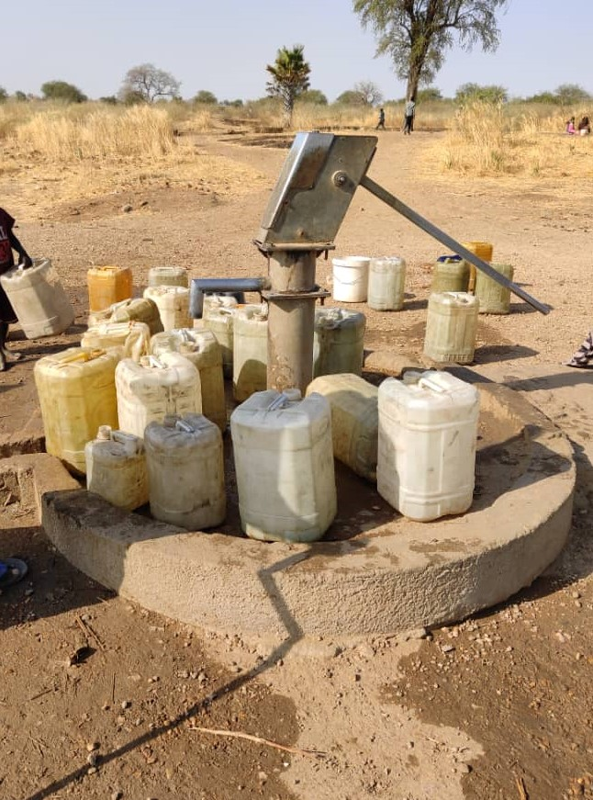
Mercy Corps - SKS-Kadugli Office
BHA (Bridge) 33863 Project No:
Bills of Quantities for Upgrading of Hand Pump to Mini Water Yard
 | Project name: Upgrading of Hand Pump to Mini Water Yard
 | Project Location: Kiga Timero village, Alreef Alshargy Locality -
 | GPS N 11 ° 22' 12.2232 " E 29° 45 ' 9.2808"

Item | Description | Unit | Quantity | Unit Rate | Total amount
 |  |  |  | SDG | SDG | USD
0 | Conduct Operation pumping Test for 2 days (under MC Engineer supervision) | LS | 1
1 | Site Preparation
1.1 | Mobilization: This item include physical mobilization of the equipment, construction materials & manpower. | LS | 1
1.2 | Site cleaning and levelling: Cleaning the site from grass and removal of rubbish and leveling the ground | LS | 1
2 | Foundation for elevated water tank
2.1 | Conduct trench excavation for foundation 0.4 x 0.7 m | ML | 15.4
2.2 | Supplying & erection for foundtaion with stone and martor 1:6 up to 70 cm to the ground level. | ML | 15.4
3 | Grade beam
3.1 | Supply & construct rienfoced Grid beam dimension (40*30cm) all over the top of stone massonary based on design and curing that for three days ( everyday 6 times). This job include labor, materials and necessary tools. | M3 | 2
4 | Brick walls
4.1 | Supply & construct red brick walls from the top of grade beam up to 2 meters with one and half bricks (30 cm) and martor 1:6, this include labor, and materials, water and tools | M2 | 22.2
4.2 | Provide, manufacture and fix Single leaf steel door 200x100cm using rectangular and square sections 6 cm * 3 cm with locks and joints | LS | 2
4.3 | Supply & conduct Plastering for both massonary sides smoothly, including labor, materials, water and tools, mix 1:6 | M2 | 44.4
4.4 | supply Bomastic painting with primary water proofing coat(3 coats) | M2 | 44.4
5 | Floor:
5.1 | Conduct backfilling & compaction for 15cm layer using excavated soil , with suppling & execution for plain concrete platform mix 1:3:6, | M3 | 1.2
6 | Ring beam
6.1 | Supply & execution for reinforced concrete ring beam all over the top of brick walls, 0.30 x 0.20. mix 1:2:4, include labor, materials water and tools | M3 | 1
7 | Slab Concrete
7.1 | Supply & construct Reinforced concrete slab with 10 cm depth and the rebars should be connect to ring beam rebars . mix 1:2:4, include labor, materials water and tools | M3 | 1.1
8 | Provision and installation of Solar system & Submersible pump
8.1 | Supply and install complete 1.5 HP solar submersible pump, includeing all necessary accessories and electrical standard cables, wries and connection to control panel. The price is inclusive of removing existing water hand pump items and inspection the well casing and filters status plus water testing and water level | LS | 1
8.2 | Gl pipes (Delivery pipe): Supply and install Galvanize pipe 1.5 inches Dim, 3 meters length with connection fittings. | PCS | 13
8.3 | Supply and installation of Solar Panels to cover the load of 1 1/4 HP submersible pump and charge the batteries, 345 W each. | PCS | 10
8.4 | Steel stands for the solar panels: Provision of materials and fabrication of strong steel stand structure with Angel shape steel 2''x2'' with 2 mm tickness including anti rust and three coats of oil paint to hold 10 solar panels. Concrete for 12 holes with (40*40*50cm), including labor | LS | 1
8.5 | Supply and installation of DC-AC Inverter for 1 1/4 HP submersible Pump, with all accessories. | PCS | 1
8.6 | Supply and installation of 4 batteries each 200 A | PCS | 4
9 | Water Tank:
9.1 | Supply & erect 5000 L capacity, plastic cylindrical storage water tank (Tiga),mounted on a 2.5-meters high tower construct of bricks and concrete. The price is inclusive of all necessary fittings, valves, connection and piping, all according to technical specifications attached and the directions of the Engineer. | PCS | 1
9.2
10 | Distribution System (Pipe Works):
10.1 | Supply and & extension for 1.5" HDPE pipes (16B) from the well to the elevated water tank using trench including Excavation & backfilling & all necessary fittings. | ML | 20
10.2 | Supply and fix 1.5" HDPE pipes (16B) from the elevated water tank to distribution point including all necessary fittings. | ML | 35
10.3 | Supply and install 1.5" control valve at the elevated water tank outlet pipes. | PCS | 1
11 | Water Distribution Points
11.1 | Distribution Point: . Supply and install 10 perssure 1/2 inch taps to 1 '' GL pipe fixeded on concrete platform base on design with all necessary materials, labour, and transportation. All the works should be complete according to specifications, design and the directions of the MC Engineer. | LS | 1
11.2 | Supply & Construct a collection water storage at the end of drainage channel of distribution point away from the MWY (10m at least) for animal to drink the waste water by 1*1*0.5 m depth, by one brick wall with mortar cement 1:8 plus plaster inside wall 1:6 , add 10 cm concrate in the bottom ,Include labos and materials (cement,bricks,water, sand) | LS | 1
11.3 | Supply & erection layer of gravel surround water distribution point including leveling | M3 | 8
12 | Fence & Gate
12.1 | Supply and installation plain concrete (1:3:6) for isolated foundation 40 x 40 x50 cm distance 2.5m , & connected with 6 mm galvanized Iron Strand (at top, bottom and the middle). | M3 | 3.7
12.2 | supply & construct 2" circular steel pipes column (hieght 2.5m) in 0.5 m depth in the holes and 2.0m above the ground, connected with steel strand (6mm) erected on three levels (15cm above GL, middle of the fence & top of the fence),(dimension of the fence 20 x 15 ). | PCS | 46
12.3 | Supply & construct galvanize Mesh rolls , gabion wire (class A) with 2 inches opennig, 2 meters wide and 10 meters length. 2 mm tickness wire to be connected to steel pipe all around to install the mesh and hold them stady | ML | 80
12.4 | Supply & erect Fence corners support with 2-inch strainer-angled ion. | PCS | 4
12.5 | Provide and erect fence gate made of two leafs of steel angle 3 ", 3m wide for the mini water yard as per design. | LS | 1
12.6 | Supply & erection for premimter steel frame barrier at the top of roof & surround the elevated tank & conduct oil painting | LS | 1
12.7 | Supply and Install Street Solar Lights | PSC | 4
13 | Signboard:
13.1 | Supply and install steel project sign board of MC and USIAD logos, writing and drawing as per drawings, specifications and the directions of the Engineer. | pcs | 1
 | SUB Total |  |  |  | - | -
 | VAT 17 % |  |  |  | - | -
 | Total cost With VAT |  |  |  | - | -

Alheela Aljadeeda (Kajank)
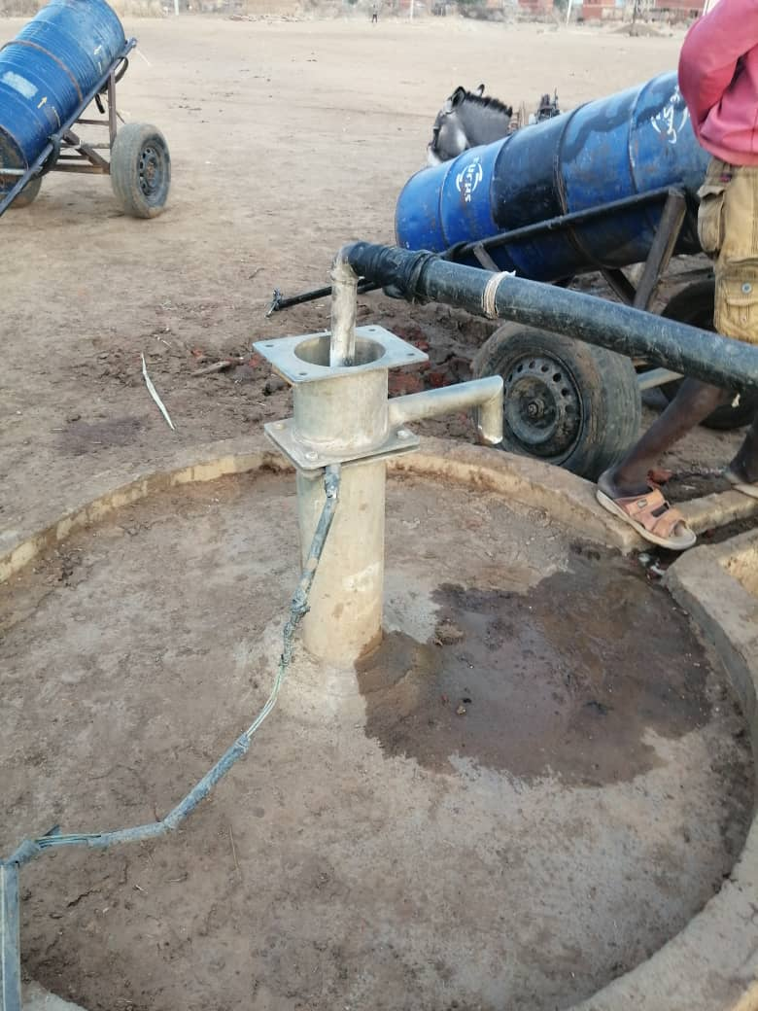
Mercy Corps - SKS-Kadugli Office
BHA (Bridge) 33863 Project No:
Bills of Quantities for Upgrading of Hand Pump to Mini Water Yard
 | Project name: Upgrading of Hand Pump to Mini Water Yard
 | Project Location: Alhila Al-Jadeeda (Kajank)village, Dilling Locality -
 | GPS N 12 ° 2' 46.7880 " E 29° 37 ' 49.2240"

Item | Description | Unit | Quantity | Unit Rate | Total amount
 |  |  |  | SDG | SDG | USD
0 | Conduct Operation pumping Test for 2 days (under MC Engineer supervision) | LS | 1
1 | Site Preparation
1.1 | Mobilization: This item include physical mobilization of the equipment, construction materials & manpower. | LS | 1
1.2 | Site cleaning and levelling: Cleaning the site from grass and removal of rubbish and leveling the ground | LS | 1
2 | Foundation for elevated water tank
2.1 | Conduct trench excavation for foundation 0.4 x 0.7 m | ML | 15.4
2.2 | Supplying & erection for foundtaion with stone and martor 1:6 up to 70 cm to the ground level. | ML | 15.4
3 | Grade beam
3.1 | Supply & construct rienfoced Grid beam dimension (40*30cm) all over the top of stone massonary based on design and curing that for three days ( everyday 6 times). This job include labor, materials and necessary tools. | M3 | 2
4 | Brick walls
4.1 | Supply & construct red brick walls from the top of grade beam up to 2 meters with one and half bricks (30 cm) and martor 1:6, this include labor, and materials, water and tools | M2 | 22.2
4.2 | Provide, manufacture and fix Single leaf steel door 200x100cm using rectangular and square sections 6 cm * 3 cm with locks and joints | LS | 2
4.3 | Supply & conduct Plastering for both massonary sides smoothly, including labor, materials, water and tools, mix 1:6 | M2 | 44.4
4.4 | supply Bomastic painting with primary water proofing coat(3 coats) | M2 | 44.4
5 | Floor:
5.1 | Conduct backfilling & compaction for 15cm layer using excavated soil , with suppling & execution for plain concrete platform mix 1:3:6, | M3 | 1.2
6 | Ring beam
6.1 | Supply & exvecution for reinforced concrete ring beam all over the top of brick walls, 0.30 x 0.20. mix 1:2:4, include labor, materials water and tools | M3 | 1
7 | Slab Concrete
7.1 | Supply & construct Reinforced concrete slab with 10 cm depth and the rebars should be connect to ring beam rebars . mix 1:2:4, include labor, materials water and tools | M3 | 1.1
8 | Provision and installation of Solar system & Submersible pump
8.1 | Supply and install complete 1 1/4 HP solar submersible pump, includeing all necessary accessories and electrical standard cables, wries and connection to control panel. The price is inclusive of removing existing water hand pump items and inspection the well casing and filters status plus water testing and water level | LS | 1
8.2 | Gl pipes (Delivery pipe): Supply and install Galvanize pipe 1 1/4 inches Dim, 3 meters length with connection fittings. | PCS | 17
8.3 | Supply and installation of Solar Panels to cover the load of 1 1/4 HP submersible pump, 345 W each and to charge the Batteries | PCS | 10
8.4 | Steel stands for the solar panels: Provision of materials and fabrication of strong steel stand structure with Angel shape steel 2''x2'' with 2 mm tickness including anti rust and three coats of oil paint to hold 10 solar panels. Concrete for 12 holes with (40*40*50cm), including labor | LS | 1
8.5 | Supply and installation of DC-AC Inverter for 1 1/4 HP submersible Pump, with all accessories. | PCS | 1
8.6 | Supply and installation of 4 batteries each 200 A | PCS | 4
9 | Water Tank:
9.1 | Supply & erect 5000 L capacity, plastic cylindrical storage water tank (Tiga),mounted on a 2.5-meters high tower construct of bricks and concrete. The price is inclusive of all necessary fittings, valves, connection and piping, all according to technical specifications attached and the directions of the Engineer. | PCS | 1
9.2
10 | Distribution System (Pipe Works):
10.1 | Supply and & extension for 1.5" HDPE pipes (16B) from the well to the elevated water tank using trench including Excavation & backfilling & all necessary fittings. | ML | 20
10.2 | Supply and fix 1.5" HDPE pipes (16B) from the elevated water tank to distribution point including all necessary fittings. | ML | 35
10.3 | Supply and install 1.5" control valve at the elevated water tank outlet pipes. | PCS | 1
11 | Water Distribution Points
11.1 | Distribution Point: . Supply and install 8 perssure 1/2 inch taps to 1 '' GL pipe fixeded on concrete platform base on design with all necessary materials, labour, and transportation. All the works should be complete according to specifications, design and the directions of the MC Engineer. | LS | 1
11.2 | Supply & Construct a collection water storage at the end of drainage channel(3" PVCPIPE) of distribution point away from the MWY (10m at least) for animal to drink the waste water by 1*1*0.5 m depth, by one brick wall with mortar cement 1:8 plus plaster inside wall 1:6 , add 10 cm concrate in the bottom ,Include labors and materials (cement,bricks,water, sand) | LS | 1
11.3 | Supply & erection of distribution point for donkey Card 2m hight (2" GI) pipe with flexable Hose (3 " ,4m) including all necessary fittings & valves | LS | 1
11.4 | Supply & erection layer of gravel surround water distribution point including leveling | M3 | 8
12 | Fence & Gate
12.1 | Supply and installation plain concrete (1:3:6) for isolated foundation 40 x 40 x50 cm distance 2.5m , & connected with 6 mm galvanized Iron Strand (at top, bottom and the middle). | M3 | 3.7
12.2 | supply & construct 2" circular steel pipes column (hieght 2.5m) in 0.5 m depth in the holes and 2.0m above the ground, connected with steel strand (6mm) erected on three levels (15cm above GL, middle of the fence & top of the fence),(dimension of the fence 20 x 15 ). | PCS | 46
12.3 | Supply & construct galvanize Mesh rolls , gabion wire (class A) with 2 inches opennig, 2 meters wide and 10 meters length. 2 mm tickness wire to be connected to steel pipe all around to install the mesh and hold them stady | ML | 80
12.4 | Supply & erect Fence corners support with 2-inch strainer-angled ion. | PCS | 4
12.5 | Provide and erect fence gate made of two leafs of steel angle 3 ", 3m wide for the mini water yard as per design. | LS | 1
12.6 | Supply & erection for premimter steel frame barrier at the top of roof & surround the elevated tank & conduct oil painting | LS | 1
12.7 | Supply and Install Street Solar Lights | PSC | 4
13 | Signboard:
13.1 | Supply and install steel project sign board of MC and USIAD logos, writing and drawing as per drawings, specifications and the directions of the Engineer. | pcs | 1
 | SUB Total |  |  |  | - | -
 | VAT 17 % |  |  |  | - | -
 | Total cost With VAT |  |  |  | - | -

